Sheet1
EASC-2220 Mechanics of Materials |  |  |  | Project 2 Level 4 |  |  |  |  | Erhan Semih Akyuz

The intention of this document is to provide the information listed below for the traffic signal support structure.
1) Reaction forces at the fixed support
2) Principle stresses on the four elements located at the base and around the vertical beam
3) Principle planes of the elements
4) Maximum shear stress on the elements
5) Shear plane on the elements
Blue cells contain modifiable values, while white cells are calculation outputs and should not be changed.

Axial Conventions
CCW | +M |  | Right | +X |  | Up | +Y |  | Out of Pg | +Z
CW | -M |  | Left | -X |  | Down | -Y |  | Into Page | -Z
Rotational conventions are from the perspective of the positive positive side of the axis, facing the origin.

Material, Environmental, and Structure Properties
Material |  |  | Al T6061 |  | Wind Speed (m/s) |  |  | Mass Per Traffic Bulb (kg)
Density |  | 2700 | kg/m3 |  | 51 |  |  | 1
Tens & Comp Yield |  | 276 | MPa
Shear Strength |  | 207 | MPa
Wind Speed is calculated and has maximum effect in -Z direction

Reactions |  |  | Safety Factor |  | Stresses & Stress Planes
RMx | 50.8 | kNm | 2 |  |  | Element 1 | Element 2 | Element 3 | Element 4
RMy | -40.9 | kNm |  |  | σMax | 87.5 | 27.6 | 10.9 | 35.4 | MPa
RMz | 8.8 | kNm | Structure Status |  | σMin | -11.0 | -41.2 | -88.1 | -22.5 | MPa
Rx | 0.0 | kN |  |  | τMax | 49.2 | 34.4 | 49.5 | 29.0 | MPa
Ry | 2.8 | kN | SAFE |  | θprinciple | -19.5 | 39.3 | 19.4 | -38.6 | deg
Rz | 10.1 | kN |  |  | θshear | 25.5 | -5.7 | -25.6 | 6.4 | deg
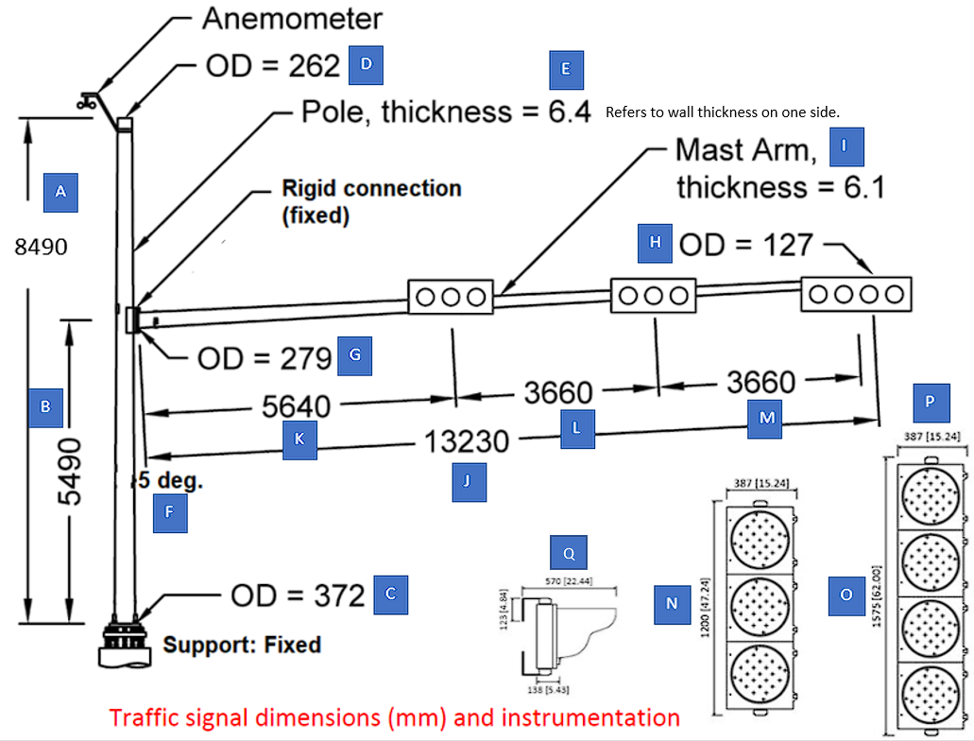
See Appendix for larger scale dimension sheet
Modifiable Dimension Entry
A | 8.4900 | m
B | 5.4900 | m
C (Z) | 0.3720 | m
D | 0.2620 | m
E | 0.0064 | m
F | 0.0873 | rad
G | 0.2790 | m
H | 0.1270 | m
I | 0.0061 | m
J | 13.2300 | m
K | 5.6400 | m
L | 3.6600 | m
M | 3.6600 | m
N | 1.2000 | m
O | 1.5750 | m
P | 0.3870 | m
Q | 0.5700 | m

Calculations Page 1
Note that letters refer to labels in dimension diagram
Assumptions
1) Wind is linear and blows only towards -Z axis
2) Anemometer is massless and dimensionless
3) Tapered beams have continuous wall thickness
4) Center of gravity of the light fixtures are located at Q/2
5) Bottom edge of all light fixtures align with the top of dimension B
--General Equations--
$$Wind Pressure=0.613 ∗{Velocity}^{2}$$
$$Taper Loss Per Meter (TLoss)=\frac{\left(Root Diameter−Tip Diameter\right)}{Length}$$
$$Dia. of Tapered Beam at Length=Root Dia −\left(TLoss ∗Length\right)$$
-- Vertical Beam Calculations --
$$Vertical Beam \left(Trapezoid\right) Surface Area=Height∗\frac{Base+Top}{2}$$
$$Local Windforce=Wind Force ∗Surface Area$$
Vertical Beam Center of Gravity dy - See Appendix
$$Vertical Beam Centroid dy =\frac{Height}{3}\left(\frac{2Top+Base}{Top+Base}\right)$$
Volume - See Appendix
-- 3 Segment Traffic Light Calculations --
$Centroid dx=Radius of Vertical Beam+\left(K\right)$cos(F)
$$Centroid {dx}_{2}=Radius of Vertical Beam+\left(K+L\right)\text{cos}\text{(}\text{F}\text{)}$$
$$Centroid {dy}_{1,2}=B+(P/2)$$
$$Centroid {dz}_{1,2}=Radius of Mast+{(Q}/{2) }$$
-- 4 Segment Traffic Light Calculations --
$$Centroid dx=Radius of Vertical Beam+\left(K+L+M\right)\text{cos}\text{(}\text{F}\text{)}$$
$$Centroid dy=B+(P/2)$$
$$Centroid dz=Radius of Mast+{(Q}/{2) }$$
Note that the radius of the mast and the vertical beam differ over the span of their lengths. Taper Loss value is used to determine value at each location
Wind Pressure |  | 1594.413 | N/m2

Vertical Beam

Height |  | 8.490 | m
OD Base |  | 0.372 | m
OD Top |  | 0.262 | m
Taper Loss/Meter |  | 0.013 | m dia/m
Surface Area |  | 2.691 | m2
Local Windforce |  | 4291.092 | N
Cntrd & COG dx, dz |  | 0.000 | m
Center of Grav. dy |  | 3.994 | m
Centroid dy |  | 3.999 | m
Ix |  | 59.054 | m4
Iy |  | 0.023 | m4
Volume |  | 0.053 | m3
Mass |  | 143.154 | kg
Weight |  | 1404.338 | N

3 Segment Traffic Light

Height |  | 0.387 | m
Length |  | 1.200 | m
Surface Area |  | 0.464 | m2
Local Windforce |  | 740.445 | N
Centroid dx |  | 5.769 | m
Centroid dx2 |  | 9.415 | m
Centroid dy1,2 |  | 5.684 | m
Centroid dz1 |  | 0.499 | m
Centroid dz2 |  | 0.457 | m
Ix |  | 15.007 | m4
Iy |  | 15.511 | m4
Ix2 |  | 15.007 | m4
Iy2 |  | 41.222 | m4
Weight |  | 29.430 | N

4 Segment Traffic Light

Height |  | 0.387 | m
Length |  | 1.575 | m
Surface Area |  | 0.610 | m2
Local Windforce |  | 971.835 | N
Centroid dx |  | 13.061 | m
Centroid dy |  | 5.684 | m
Centroid dz |  | 0.415 | m
Ix |  | 19.697 | m4
Iy |  | 104.1 | m4
Weight |  | 39.240 | N
Calculations Page 2
-- Mast (Whole) Calculations --
$$Mast \left(Trapezoid\right) Surface Area=Length∗\frac{Root+Tip}{2}$$
Center of Gravity dx - See Appendix
$$Center of Gravity dy=B+(dx∗tan\left(F\right))$$
Volume - See Appendix
-- Mast Section 1 Calculations --
$$Length=K −N/2$$
$$Mast \left(Trapezoid\right) Surface Area=Length∗\frac{Root+Tip}{2}$$
Centroid dx $=\frac{h}{3}\left(\frac{Root+2Tip}{Root+Tip}\right)$cos(F) + Radius of Vertical Beam
Centroid $dy=B+(dx∗tan\left(F\right))$
Mast Sections 2 & 3 follow similarly to Section 1
Mast (Whole)

Length |  | 13.230 | m
OD Root |  | 0.279 | m
OD Tip |  | 0.127 | m
Taper Loss/Meter |  | 0.011 | m dia/m
Surface Area |  | 2.686 | m2
Local Windforce |  | 4282.099 | N
Center of Grav. dx |  | 5.892 | m
Center of Grav. dy |  | 6.006 | m
Ix |  | 96.873 | m4
Iy |  | 130.592 | m4
Volume |  | 0.050 | m3
Mass |  | 134.787 | kg
Weight |  | 1322.264 | N

Mast Section 1

Length |  | 5.040 | m
OD Root |  | 0.279 | m
OD Tip |  | 0.221 | m
Surface Area |  | 1.260 | m2
Local Windforce |  | 2009.343 | N
Centroid dx |  | 2.564 | m
Centroid dy |  | 5.714 | m
Ix |  | 41.158 | m4
Iy |  | 10.940 | m4
Mast Section 2

Length |  | 2.460 | m
OD Root |  | 0.207 | m
OD Tip |  | 0.179 | m
Surface Area |  | 0.475 | m2
Local Windforce |  | 757.689 | N
Centroid dx |  | 7.562 | m
Centroid dy |  | 6.152 | m
Ix |  | 17.985 | m4
Iy |  | 27.415 | m4
Mast Section 3

Length |  | 2.273 | m
OD Root |  | 0.165 | m
OD Tip |  | 0.139 | m
Surface Area |  | 0.346 | m2
Local Windforce |  | 551.482 | N
Centroid dx |  | 11.112 | m
Centroid dy |  | 6.462 | m | ΣXY Inertias (m4)
Ix |  | 14.445 | m4 | ΣIx | 182.352
Iy |  | 42.860 | m4 | ΣIy | 242.078
Calculations Page 3
Linear Axis' (X,Y,Z)
Rotational Axis' (Mx, My, Mz)
Origin (0,0,0)
Center of Gravity & Weight Force
Centroid & Wind Force
COG = Centroid for Wind Force & Weight Force
Reactions

RMx |  | 50764.6 | Nm
RMy |  | -40946.0 | Nm
RMz |  | 8750.7 | Nm
Rx |  | 0.0 | N
Ry |  | 2824.7 | N
Rz |  | 10062.3 | N
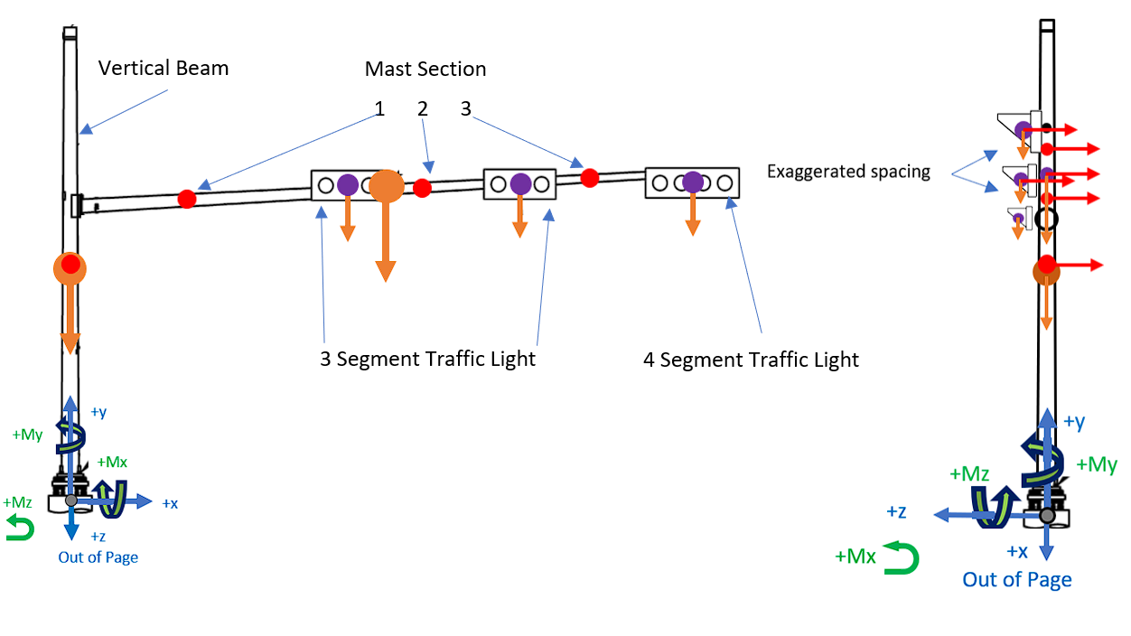

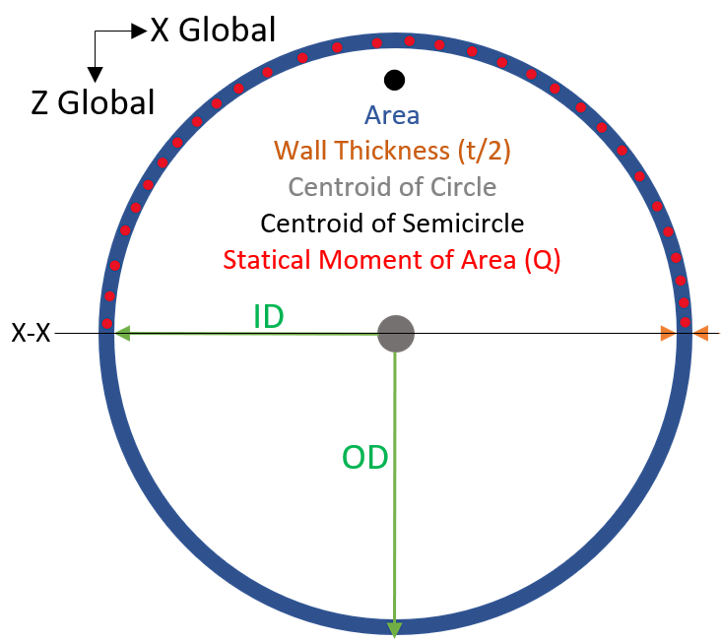

Fixed Base Support Cross Section

Outer Diameter (OD) |  |  | 0.372 | m
Inner Diameter (ID) |  |  | 0.359 | m
Area |  |  | 0.007 | m2
J (Polar Moment of Inertia) |  |  | 2.46E-04 | m4
Ix = Iy = J/2 |  |  | 1.23E-04 | m4
Centroid of Semicircle (y) |  |  | 0.116 | m
Statical Moment of Area (Q) |  |  | 4.28E-04 | m3

Calculations Page 3
The directions of the reactions are flipped to observe the effect of the external forces on the material.
Mohrs Circle Coordinates
$$Pt1=\left(σ_{x}, {−τ}_{xy}\right)$$
$$Pt2=\left(σ_{y}, τ_{xy}\right)$$
Stress Element Diagram
Visible orange edges are kept on top of the element diagrams as though viewed from the outside of the pole.
Forces from the central diagram are translated to X, Y, and XY axis' on the element diagrams
See appendix for explanation of stress axis assignment and formulas
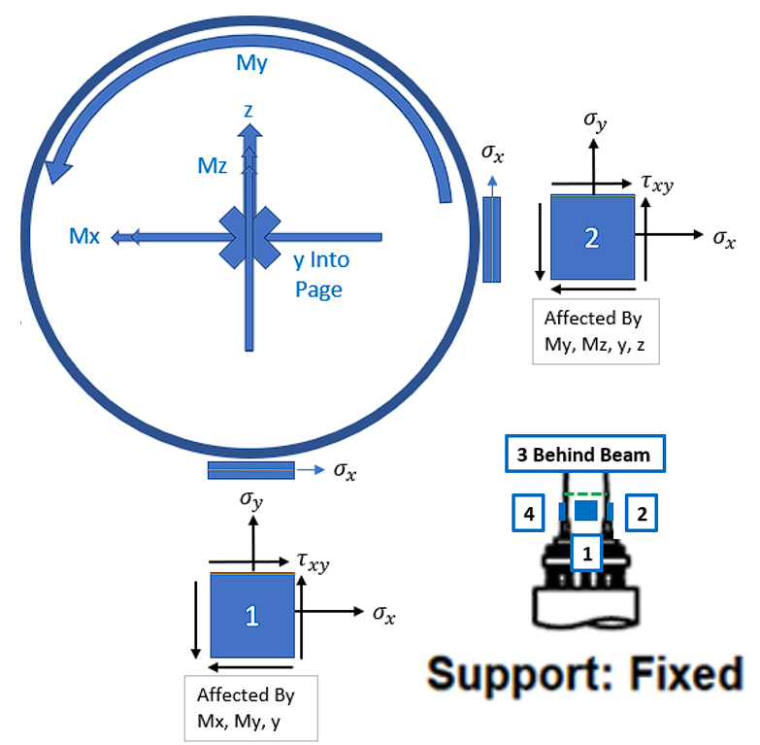

Element 1 |  |  |  |  |  | Element 2

Effect of Mx (Tens Y+) |  |  | 76856.9 | kPa |  | Effect of Mx (N/A) |  |  | 0.0 | kPa
Effect of My (Shear XY+) |  |  | 30995.8 | kPa |  | Effect of My (Shear XY+) |  |  | 30995.8 | kPa
Effect of Mz (N/A) |  |  | 0.0 | kPa |  | Effect of Mz (Comp Y-) |  |  | -13248.4 | kPa
Effect of x (Shear XY + or -) |  |  | 0.0 | kPa |  | Effect of x (N/A) |  |  | 0.0 | kPa
Effect of y (Comp Y-) |  |  | -384.3 | kPa |  | Effect of y (Comp Y-) |  |  | -384.3 | kPa
Effect of z (N/A) |  |  | 0.0 | kPa |  | Effect of z (Shear XY+) |  |  | 2737.2 | kPa
σx |  |  | 0.0 | kPa |  | σx |  |  | 0.0 | kPa
σy |  |  | 76472.6 | kPa |  | σy |  |  | -13632.7 | kPa
τxy |  |  | 30995.8 | kPa |  | τxy |  |  | 33733.0 | kPa
σMin |  |  | -10985.2 | kPa |  | σMin |  |  | -41231.2 | kPa
σMax |  |  | 87457.8 | kPa |  | σMax |  |  | 27598.5 | kPa
τMax |  |  | 49221.5 | kPa |  | τMax |  |  | 34414.8 | kPa
Θp |  |  | -19.5 | deg |  | Θp |  |  | 39.3 | deg
Θs |  |  | 25.5 | deg |  | Θs |  |  | -5.7 | deg
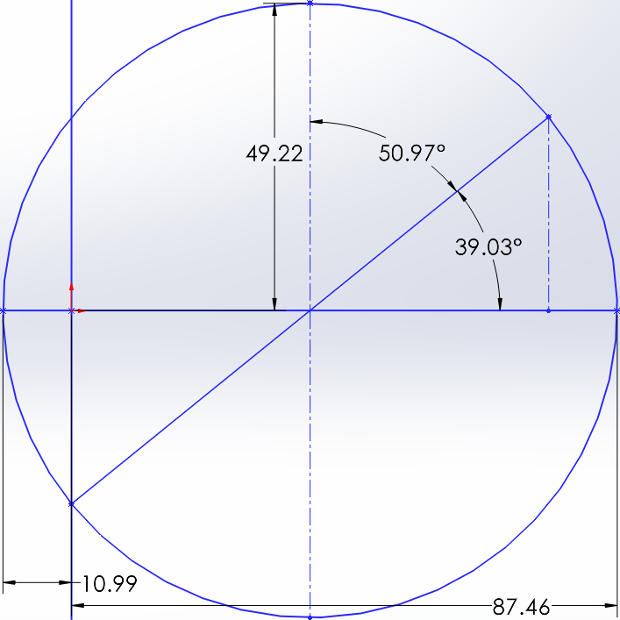
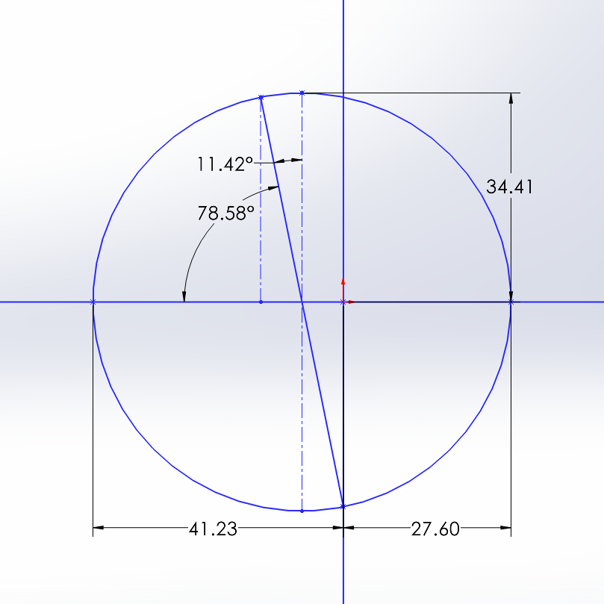

Calculations Page 4
Element 3 |  |  |  |  |  | Element 4

Effect of Mx (Comp Y-) |  |  | -76856.9 | kPa |  | Effect of Mx (N/A) |  |  | 0.0 | kPa
Effect of My (Shear XY+) |  |  | 30995.8 | kPa |  | Effect of My (Shear XY+) |  |  | 30995.8 | kPa
Effect of Mz (N/A) |  |  | 0.0 | kPa |  | Effect of Mz (Tens Y+) |  |  | 13248.4 | kPa
Effect of x (Shear XY - or +) |  |  | 0.0 | kPa |  | Effect of x (N/A) |  |  | 0.0 | kPa
Effect of y (Comp Y-) |  |  | -384.3 | kPa |  | Effect of y (Comp Y-) |  |  | -384.3 | kPa
Effect of z (N/A) |  |  | 0.0 | kPa |  | Effect of z (Shear XY-) |  |  | -2737.2 | kPa
σx |  |  | 0.0 | kPa |  | σx |  |  | 0.0 | kPa
σy |  |  | -77241.2 | kPa |  | σy |  |  | 12864.2 | kPa
τxy |  |  | 30995.8 | kPa |  | τxy |  |  | 28258.6 | kPa
σMin |  |  | -88141.2 | kPa |  | σMin |  |  | -22549.3 | kPa
σMax |  |  | 10900.0 | kPa |  | σMax |  |  | 35413.5 | kPa
τMax |  |  | 49520.6 | kPa |  | τMax |  |  | 28981.4 | kPa
Θp |  |  | 19.4 | deg |  | Θp |  |  | -38.6 | deg
Θs |  |  | -25.6 | deg |  | Θs |  |  | 6.4 | deg
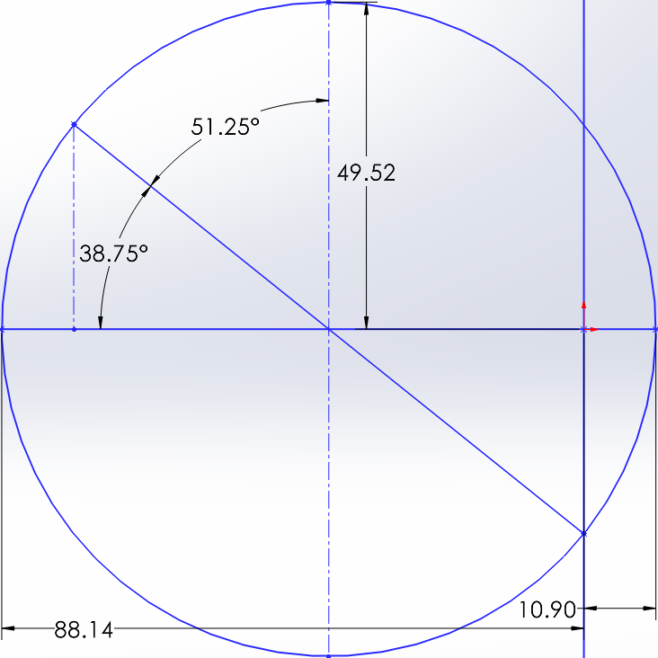
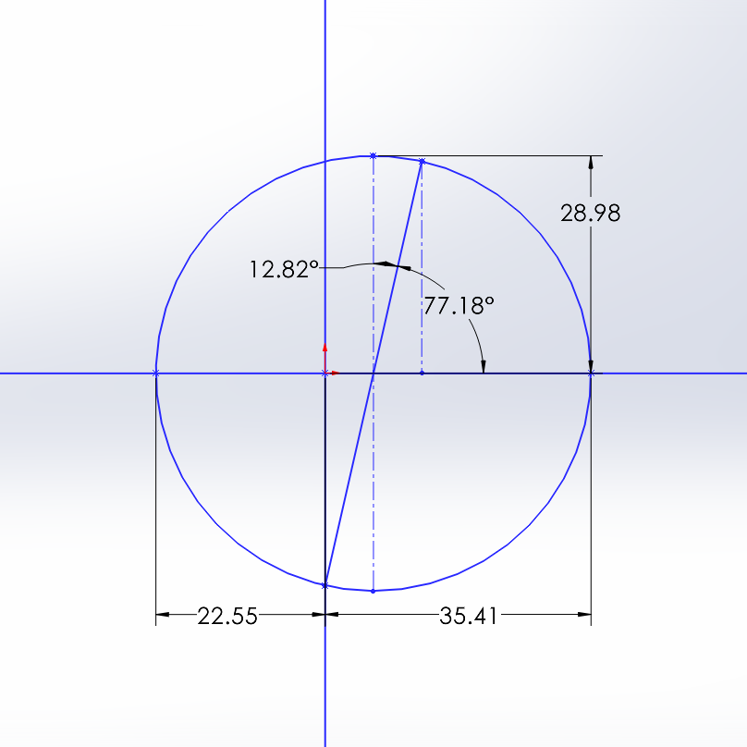

The directions of the reactions are flipped to observe the effect of the external forces on the material.
Mohrs Circle Coordinates
$$Pt1=\left(σ_{x}, {−τ}_{xy}\right)$$
$$Pt2=\left(σ_{y}, τ_{xy}\right)$$
Stress Element Diagram
Visible orange edges are kept on top of the element diagrams as though viewed from the outside of the pole.
Forces from the central diagram are translated to X, Y, and XY axis' on the element diagrams
See appendix for explanation of stress axis assignment and formulas
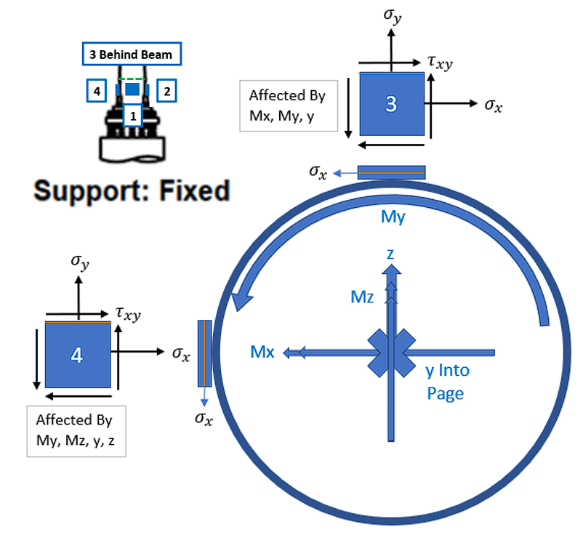

Appendix
Vertical Beam Center of Gravity dy & Volume
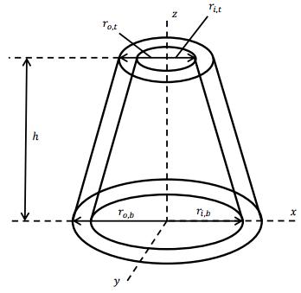
$$Center of Gravity dx,dy=0 , \frac{hA}{4B}$$
$$Volume Whole=\frac{hπ}{3}\left(r_{o,b}^{2}+r_{o,b}r_{o,t}+r_{o,t}^{2}\right)$$
$$Volume Inside= \frac{hπ}{3}\left(r_{i,b}^{2}+r_{i,b}r_{i,t}+r_{i,t}^{2}\right)$$
$$Volume=Volume Whole −Volume Inside$$

Mast Center of Gravity dx, dy & Volume
$$Center of Gravity dx=\frac{hA}{4B} ∗\cos\left(F\right)$$
$$Center of Gravity dy=B+\left(dx ∗tan\left(F\right)\right)$$
Volume calculations are identical to the vertical beam using root radius and tip radius instead of bottom and top.

Axial Loading
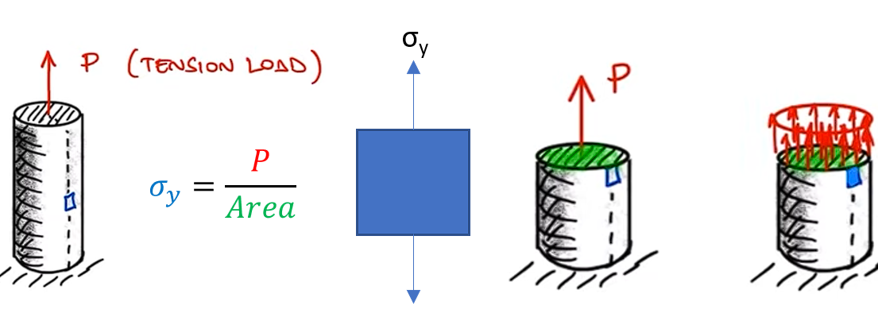

Appendix Continued
Torsion
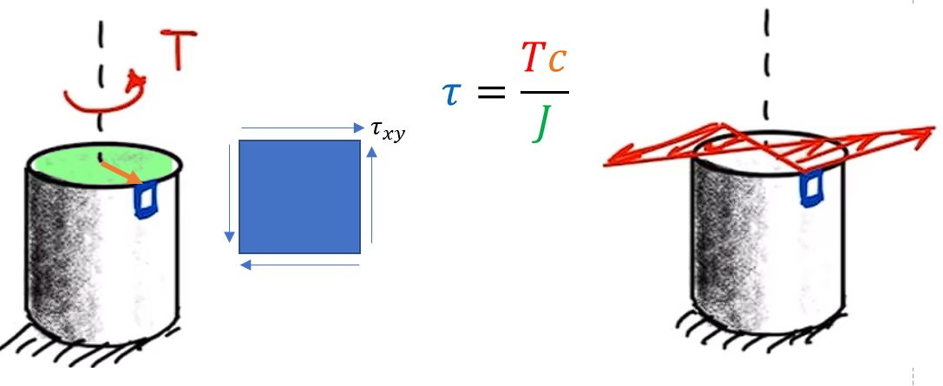

Bending
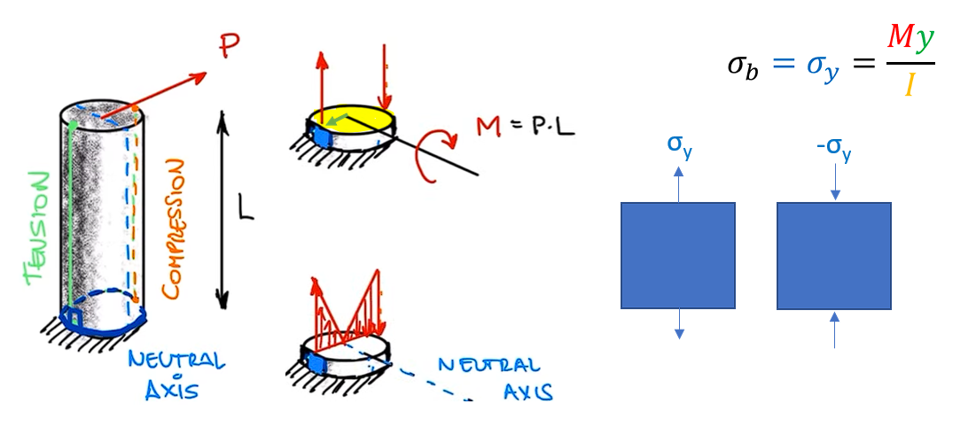

Transverse Shear
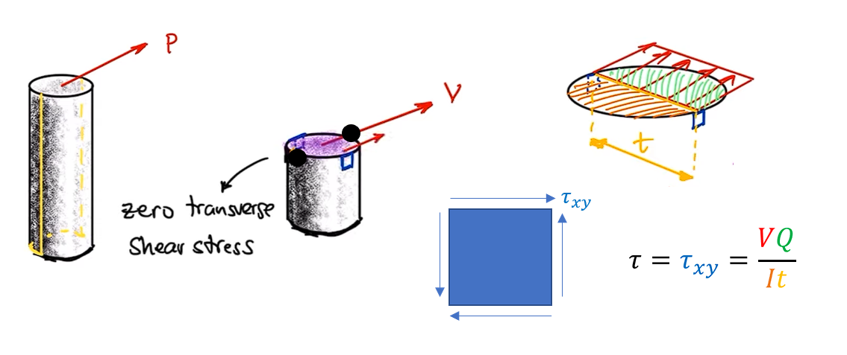

Full Scale Dimension Sheet

